Printing_Guidance
Printing Guidance

 | Each individual worksheet within this workbook is formatted for easy printing on a single page (landscape).
 | The complete workbook can be printed by selecting Print and then selecting 'Entire workbook' in the 'Print what' section.

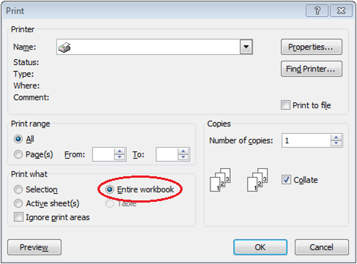

 | Users are free to change the printing options to their individual preferences.
 | We have tried to set up user-friendly printing but this may not work for all users due to differences in software and system settings.

Map1
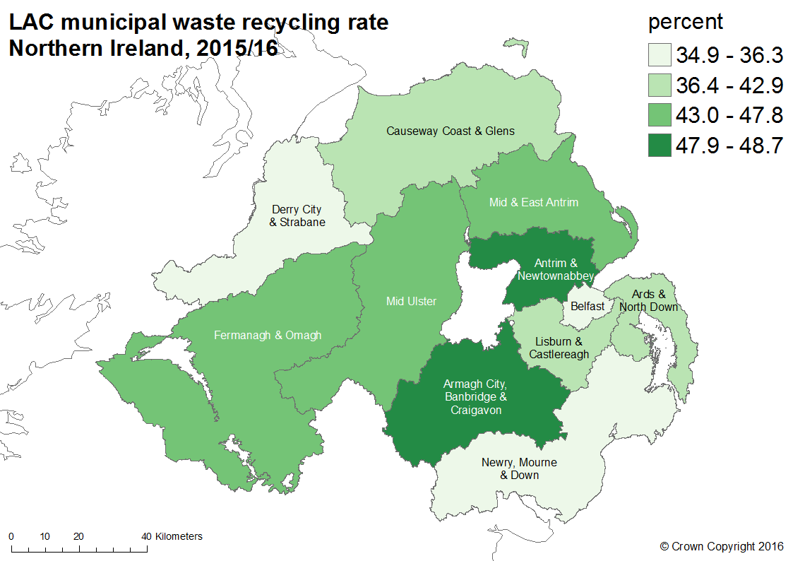
Map 1: Local authority collected municipal waste sent for preparing for reuse, recycling and composting rate
Northern Ireland, 2015/16

Map2
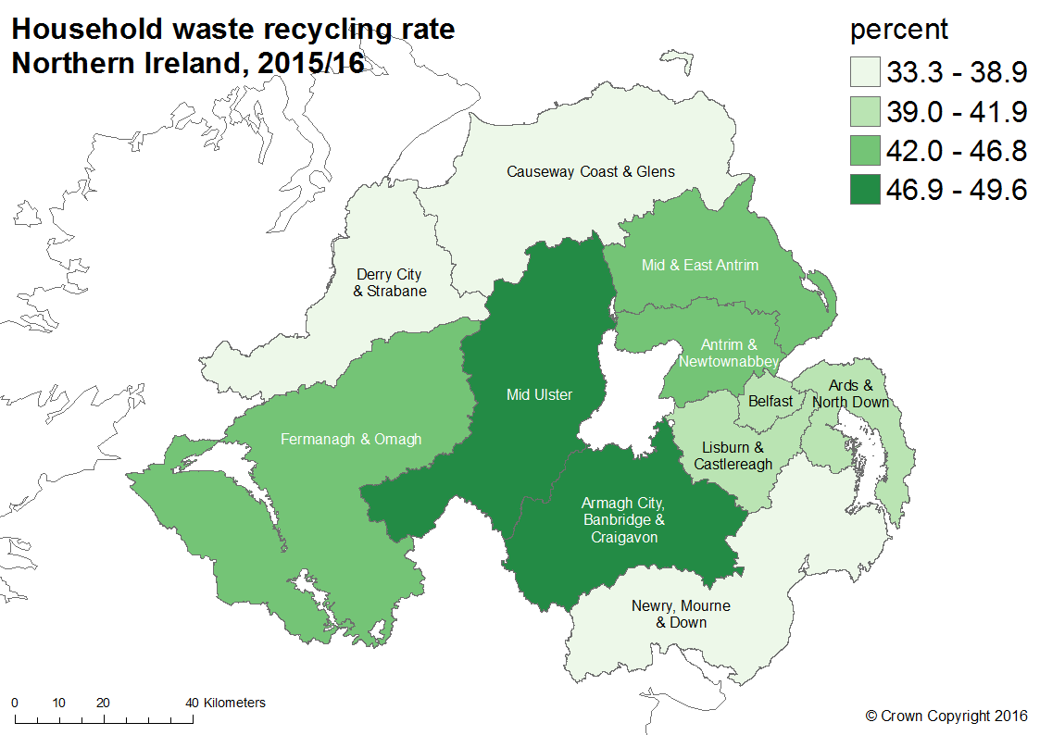
Map 2: Household waste sent for preparing for reuse, recycling and composting rate
Northern Ireland, 2015/16

Map3
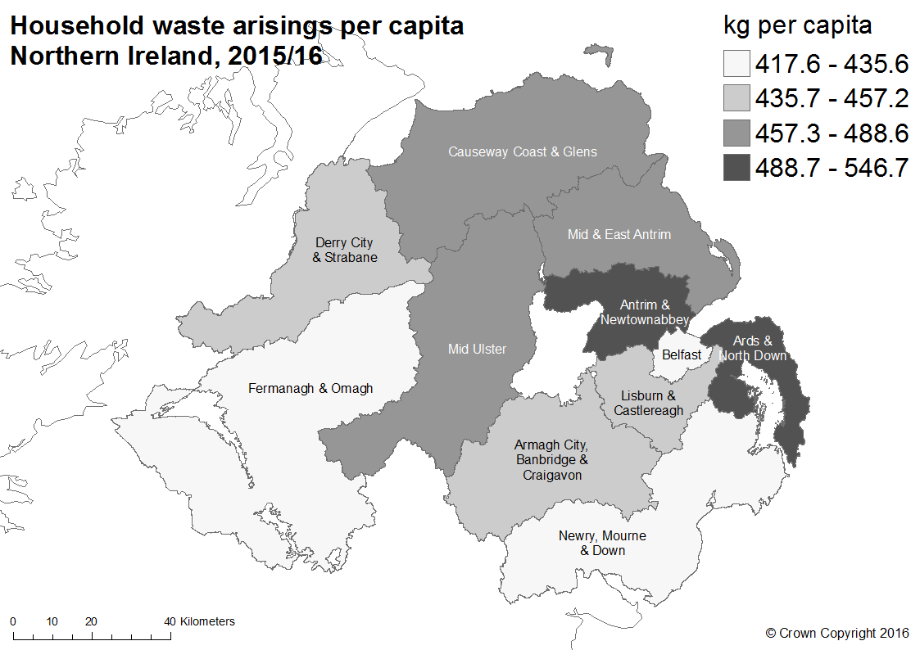
Map 3: Household waste arisings per capita
Northern Ireland, 2015/16

Map4
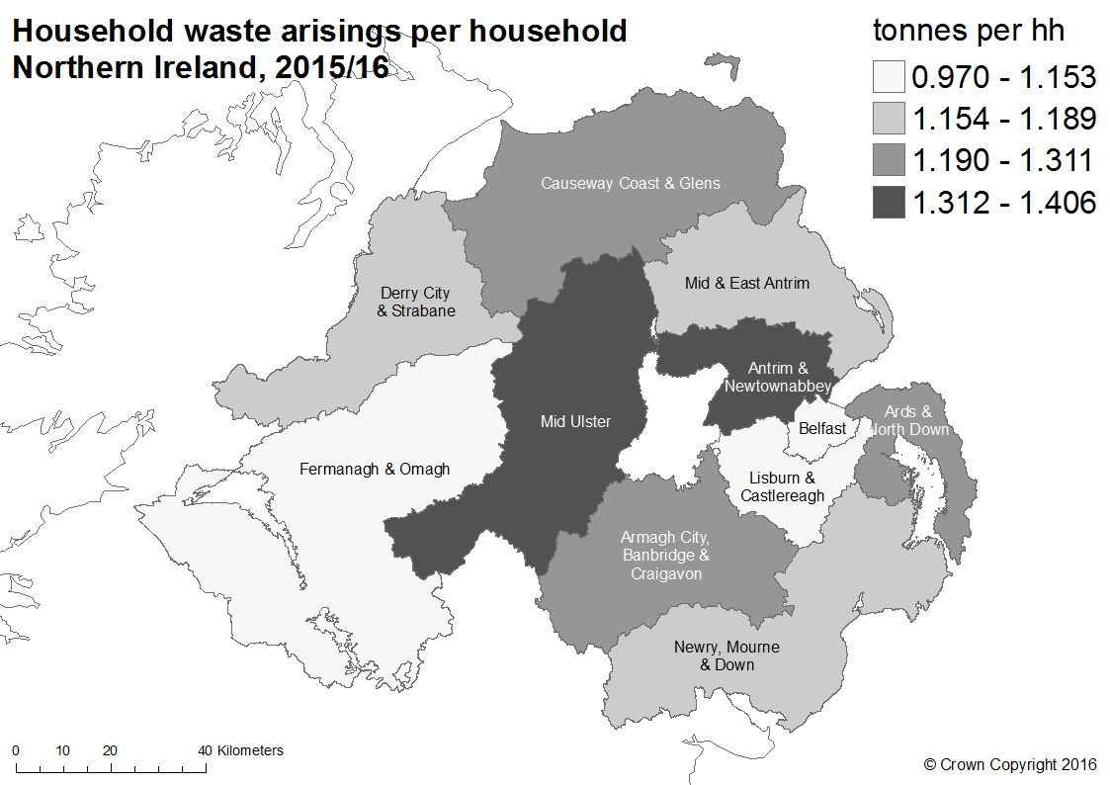
Map 4: Household waste arisings per household
Northern Ireland, 2015/16

Map5
Map 5: Biodegradable local authority collected municipal waste, percentage of allowance used
Northern Ireland, 2015/16
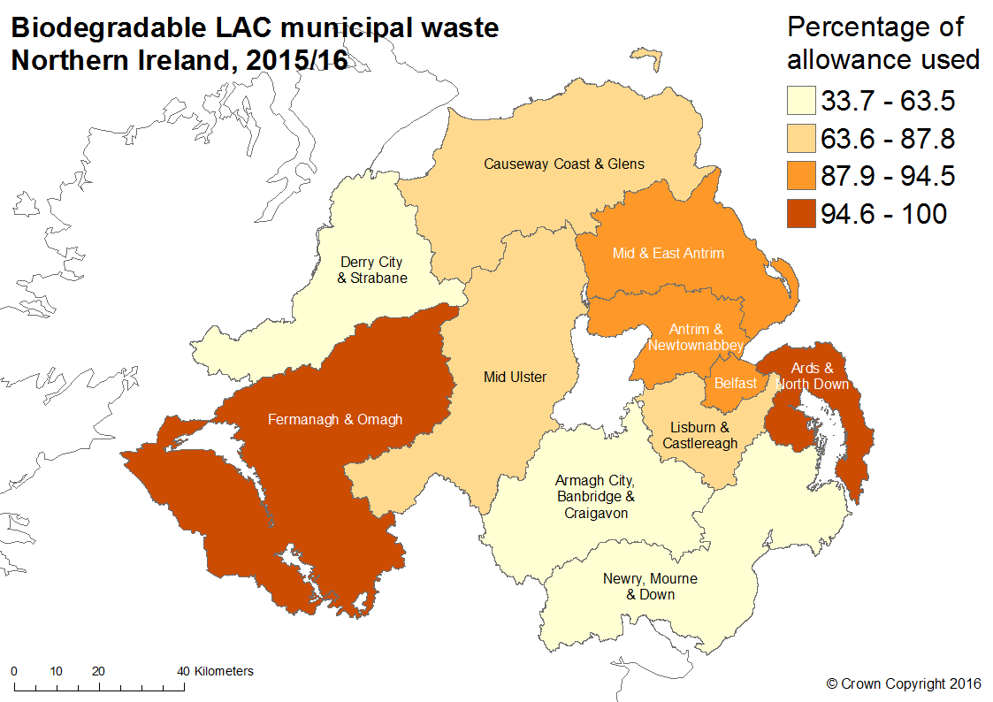

*after transfers

